Sheet1
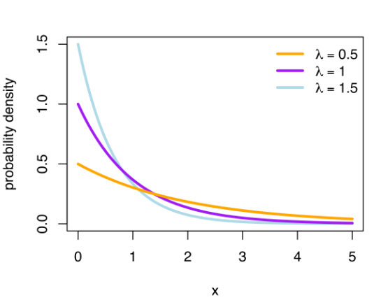
Exponential Distribution
 | Exponential Distribution | In probability theory and statistics, the exponential distribution is the probability distribution of the time between events in a Poisson point process, i.e., a process in which events occur continuously and independently at a constant average rate. It is a particular case of the gamma distribution
 |  | A random variable x is said to be an exponential distribution with parameter λ

 | Probability Density Function | f(x) = {λe-λx , x >=0 |  | Rolling a die {1,2,3,4,5,6} |  |  | Mean
 |  |  | 1 | P(1) | 1/6 | 0.16666666667 | 0.17
 |  |  | 2 | P(2) | 1/6 | 0.16666666667 | 0.33
 |  |  | 3 | P(3) | 1/6 | 0.16666666667 | 0.50
 |  | parameter λ>0 which is also called the rate | 4 | P(4) | 1/6 | 0.16666666667 | 0.67
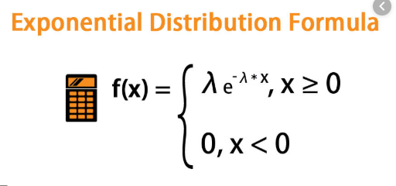
 |  |  | 5 | P(5) | 1/6 | 0.16666666667 | 0.83
 |  |  | 6 | P(6) | 1/6 | 0.16666666667 | 1.00
 |  |  |  |  |  |  | 3.50

 |  |  |  |  |  |  | 1 | 2 | 3 | 4 | 5 | 6 | 21

